The Lodge
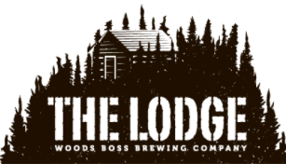
Denver Colorado
This Form is intended to provide an ESTIMATE for planning purposes.
Update any YELLOW Cell to adjust your perameters.
Let us know any questions you may have.

The Lodge - Event Space

* Capacity ~100
Guest Count | 80
Hourly (1-4hrs) | $650 | $2,600
Additional Hrs | $450 | -
Open Bar Hrs | 0 | $0
Cash Bar Hrs | 4 | $0
Wine Option | No | $0
Service Fee (Tip) | 15% | $390
 | Total | $2,990

